IP Address Configuration
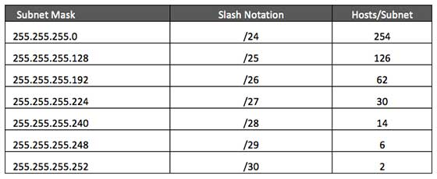
 | /25 = 126 hosts
 | /26 = 64 hosts
 | /27 = 32 hosts
 | /28 = 16 hosts
 | /29 = 6 hosts
 | /30 = 2 hosts

 |  |  | Internet | Mask | Range | Broadcast
 |  |  | Leeds | 255.255.255.248 | 175.102.0.1 - 175.102.0.6 | 175.102.0.7
Manchester needs a secure separate section to its network containing:
a. 20 server class machines (this includes the one mentioned earlier) |  |  | 10 | 14 | 175.104.0.0 | /28 | 255.255.255.240 | 175.104.0.1 - 175.104.0.14 | 175.104.0.15
b. 10 admin/management machines
c. 10 finance department machines
d. 5 machines for the security team

 | Addresses | Hosts | Netmask | Class C
/16 | 65536 | 65534 | 255.255.0.0 | 256

2^16 = 65536 subnets/hosts |  | Hosts per subnet: 16 bits 2^16-2 = 65534

 | Manchester needs a secure separate section to its network containing:
 | a. 20 server class machines (this includes the one mentioned earlier)
 | b. 10 admin/management machines
 | c. 10 finance department machines
 | d. 5 machines for the security team

 | Addresses | Hosts | Netmask | Amount of a Class C
/16 | 65536 | 65534 | 255.255.0.0 | 256

2^16 = 65536 subnets/hosts |  | Hosts per subnet: 16 bits 2^16-2 = 65534

